R2. Seaborne CC 16
R2. Seaborne coal cost curve, Macquarie 2016
Source: | Macquarie Research
URL: | https://www.google.co.uk/search?q=coal+cost+curve&rlz=1C1CHBD_en- GBGB800GB800&tbm=isch&source=iu&ictx=1&fir=Xp1HJg5hCl4chM%253A%252Cv_jydOy9mmo6WM%252C_&usg=__MafcOh4E00mtIpPXARpEwDWqg4k%3D&sa=X&ved=2ahUKEwiikOPWvN_bAhXjJMAKHe8QA3oQ9QEwAHoECAEQLw#imgrc=Xp1HJg5hCl4chM
Date accessed: | 2018-06-20
Units:
Notes: | Thermal Coal Cost Curve; 2016; $/t (6000NAR FOB basis)

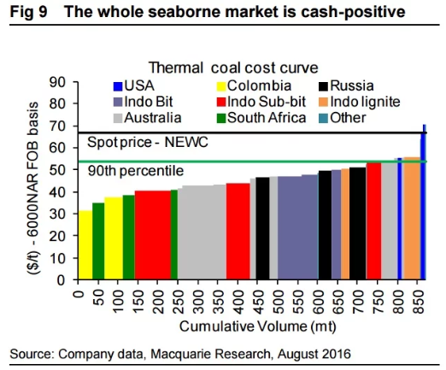
Volume (Mt) | Price ($/t) | Country/Region
36.69 | 31.49 | Colombia
30.22 | 34.99 | South Africa
44.23 | 37.71 | Colombia
32.37 | 38.49 | South Africa
88.47 | 40.43 | Indo Sub-bit
19.42 | 40.82 | South Africa
12.94 | 41.60 | Australia
86.32 | 42.76 | Australia
21.57 | 43.54 | Australia
59.34 | 44.13 | Indo Sub-bit
16.18 | 46.07 | Australia
34.52 | 46.07 | Russia
19.43 | 46.85 | Australia
100.33 | 46.85 | Indo Bit
4.31 | 47.62 | Indo Bit
31.28 | 48.40 | Other
23.74 | 49.57 | Russia
20.50 | 49.96 | Indo Bit
39.92 | 50.54 | Indo lignite
6.47 | 51.12 | Russia
33.46 | 53.84 | Indo Sub-bit
43.15 | 54.04 | Australia
6.48 | 55.01 | USA
7.54 | 55.01 | Australia
43.16 | 55.01 | Indo lignite
12.95 | 70.37 | USA

R3. Aus Seaborne CC 13
R3. Seaborne coal cost curve, Australian Treasury 2013
Source: | Australian Treasury
URL: | https://www.google.co.uk/imgres?imgurl=https%3A%2F%2Fstatic.treasury.gov.au%2Fuploads%2Fsites%2F1%2F2017%2F06%2F305933F56A53431BAD40532434190354.gif&imgrefurl=https%3A%2F%2Ftreasury.gov.au%2Fpublication%2Flong-run-forecasts-of- australias-terms-of-trade-2%2Flong-run-forecasts-of-australias-terms-of-trade%2F5-exports-of-non-rural-bulk-commodities-thermal-coal%2F&docid=RPTp-x96-YlK_M&tbnid=vrAll9fmrTDg8M%3A&vet=10ahUKEwjvn_fwgeLbAhULCMAKHZ4LBHYQMwhdKAIwAg..i&w=588&h=269&bih=974&biw=1920&q=coal%20cost%20curve&ved=0ahUKEwjvn_fwgeLbAhULCMAKHZ4LBHYQMwhdKAIwAg&iact=mrc&uact=8
Date accessed: | 2018-06-20
Units:
Notes: | Seaborne trade thermal coal; 2012 prices $/t; 2013

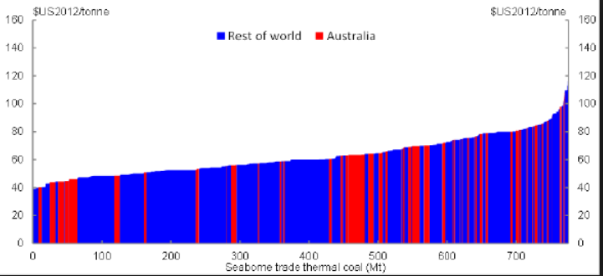
Volume (Mt) | Price ($/t) | Country/Region
8.85 | 38.90 | ROW
4.13 | 39.20 | Australia
10.62 | 42.12 | ROW
40.72 | 44.46 | Australia
53.12 | 47.97 | ROW
8.26 | 48.56 | Australia
35.41 | 49.73 | ROW
4.72 | 50.90 | Australia
67.87 | 52.94 | ROW
10.03 | 53.53 | Australia
41.91 | 54.11 | ROW
12.39 | 55.87 | Australia
154.05 | 59.09 | ROW
63.15 | 63.77 | Australia
28.33 | 67.57 | ROW
31.28 | 70.20 | Australia
16.53 | 71.08 | ROW
48.99 | 73.71 | ROW
21.25 | 78.68 | Australia
29.51 | 79.56 | ROW
15.94 | 80.73 | Australia
20.07 | 82.19 | ROW
15.34 | 85.41 | Australia
21.25 | 91.55 | ROW
8.26 | 101.79 | Australia
4.13 | 110.57 | ROW

R4. Seaborne CC 13
R4. Seaborne coal cost curve, Wood Mackenzie 2013
Source: | Wood Mackenzie
URL: | https://www.google.co.uk/search?ei=hT0qW535MsnBgAb0pJ44&tbm=isch&q=wood+mackenzie+coal+cost+curve&oq=&gs_l=#imgrc=tyvfI-ClKrmjFM:
Date accessed: | 2018-06-20
Units:
Notes: | 2013 Thermal coal cost curve; C1 Cash Costs (US $/t) - Energy Adjusted;

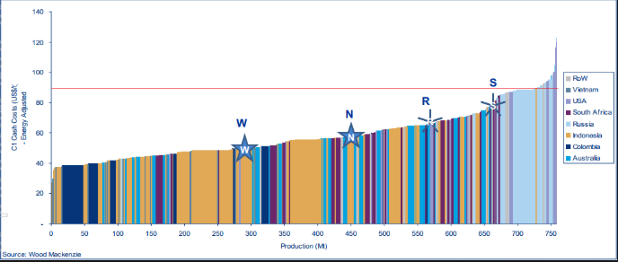
Volume (Mt) | Price ($/t) | Country/Region
14.45 | 37.27 | Indonesia
32.66 | 38.09 | Colombia
7.54 | 38.92 | Indonesia
13.82 | 39.74 | Colombia
8.17 | 39.74 | Indonesia
8.17 | 41.66 | Australia
11.93 | 41.94 | Colombia
7.54 | 42.21 | Indonesia
23.24 | 42.76 | Indonesia
23.24 | 44.13 | South Africa
16.33 | 45.23 | USA
13.19 | 45.50 | Colombia
10.05 | 46.60 | Indonesia
80.40 | 48.24 | Colombia
8.17 | 49.60 | Indonesia
25.75 | 49.60 | Australia
10.68 | 50.14 | Colombia
12.56 | 50.97 | South Africa
12.56 | 51.24 | Australia
13.81 | 52.89 | South Africa
50.88 | 55.64 | Indonesia
14.44 | 56.18 | Australia
14.45 | 56.45 | South Africa
35.18 | 57.27 | Australia
18.83 | 58.92 | South Africa
17.60 | 61.40 | Australia
27.01 | 63.04 | Indonesia
29.53 | 64.14 | Australia
21.35 | 66.34 | USA
23.24 | 67.71 | South Africa
7.54 | 69.09 | Australia
10.05 | 69.91 | Indonesia
45.86 | 74.04 | South Africa
15.08 | 85.35 | Russia
11.31 | 87.00 | USA
47.11 | 88.10 | Russia
15.70 | 98.58 | USA

R5. Aus Seaborne CC 15
R5. Seaborne coal cost curve, Reserve Bank of Australia 2015
Source: | Reserve Bank of Australia
URL: | https://www.rba.gov.au/publications/bulletin/2015/jun/3.html
Date accessed: | 2018-06-20
Units:
Notes: | Seaboard Thermal Coal Production Costs (costs are quality adjusted); 2015; free on board basis; $/t

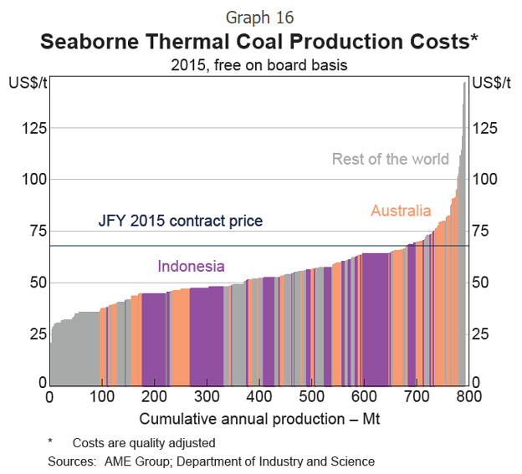
Volume (Mt) | Price ($/t) | Country/Region
94.56 | 35.20 | ROW
33.10 | 39.03 | Australia
23.63 | 40.71 | ROW
22.71 | 43.82 | Australia
52.94 | 44.78 | Indonesia
38.78 | 46.93 | ROW
68.09 | 47.17 | Australia
39.71 | 48.85 | ROW
12.30 | 51.01 | Indonesia
20.80 | 51.72 | ROW
21.75 | 52.44 | Indonesia
61.48 | 54.36 | Australia
10.40 | 56.27 | ROW
5.67 | 56.75 | Indonesia
17.02 | 57.71 | Australia
16.08 | 59.15 | Indonesia
20.80 | 60.82 | ROW
17.02 | 62.26 | Indonesia
17.02 | 63.94 | Australia
55.80 | 64.42 | Indonesia
28.37 | 66.33 | Australia
20.81 | 69.44 | Indonesia
15.13 | 70.16 | Australia
23.64 | 73.75 | ROW
39.72 | 80.94 | Australia
18.91 | 108.96 | ROW

R6. Seaborne CC 15
R6. Seaborne cost curve, CRU Consulting 2015
Source: | CRU Consulting
URL: | https://www.google.co.uk/search?q=coal+cost+curve&rlz=1C1CHBD_en-GBGB800GB800&tbm=isch&source=iu&ictx=1&fir=Xp1HJg5hCl4chM%253A%252Cv_jydOy9mmo6WM%252C_&usg=__MafcOh4E00mtIpPXARpEwDWqg4k%3D&sa=X&ved=2ahUKEwiikOPWvN_bAhXjJMAKHe8QA3oQ9QEwAHoECAEQLw#imgrc=pLr_rntOpEGFGM
Date accessed: | 2018-06-20
Units:
Notes: | Thermal coal cost; Seaborne CFR business costs; 2014; $/t

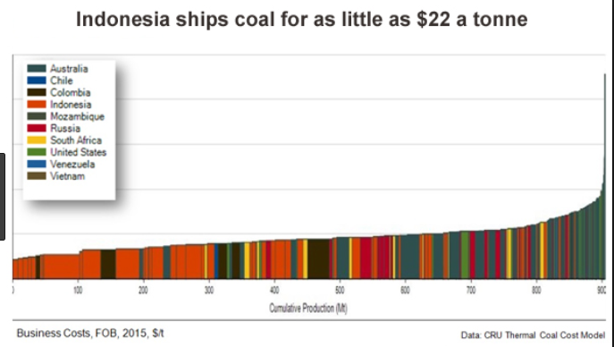
Volume (Mt) | Price ($/t) | Country/Region
11.62 | 34.27 | Indonesia
9.13 | 37.74 | Australia
151.87 | 47.72 | Indonesia
20.75 | 57.27 | Australia
9.96 | 58.13 | South Africa
46.47 | 60.74 | Colombia
13.28 | 61.61 | Russia
19.92 | 62.04 | Indonesia
24.90 | 64.64 | Australia
30.71 | 65.51 | Indonesia
13.28 | 66.38 | Colombia
14.11 | 66.81 | Indonesia
18.26 | 67.68 | Australia
7.47 | 68.11 | Russia
51.45 | 69.41 | Indonesia
18.26 | 69.85 | Australia
15.77 | 70.28 | Indonesia
12.45 | 71.58 | Australia
13.28 | 72.02 | Indonesia
14.94 | 72.45 | South Africa
13.28 | 73.32 | Indonesia
20.75 | 74.19 | Colombia
19.92 | 75.92 | Indonesia
13.28 | 77.66 | Russia
19.92 | 78.96 | Australia
8.30 | 78.96 | Russia
6.64 | 78.96 | South Africa
12.45 | 79.83 | Australia
36.51 | 80.26 | Russia
32.37 | 81.56 | Australia
13.28 | 82.86 | South Africa
15.77 | 87.64 | Russia
62.24 | 91.97 | Indonesia
14.94 | 92.41 | Australia
13.28 | 95.01 | South Africa
11.62 | 98.48 | Australia
31.54 | 102.82 | United States
15.77 | 114.53 | Indonesia
14.11 | 124.08 | Australia

R7. CC dump
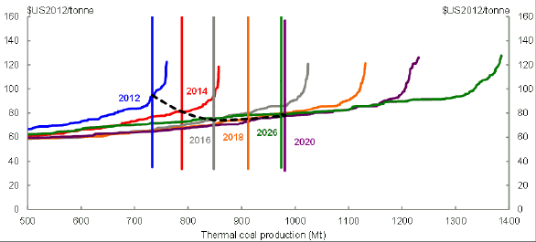
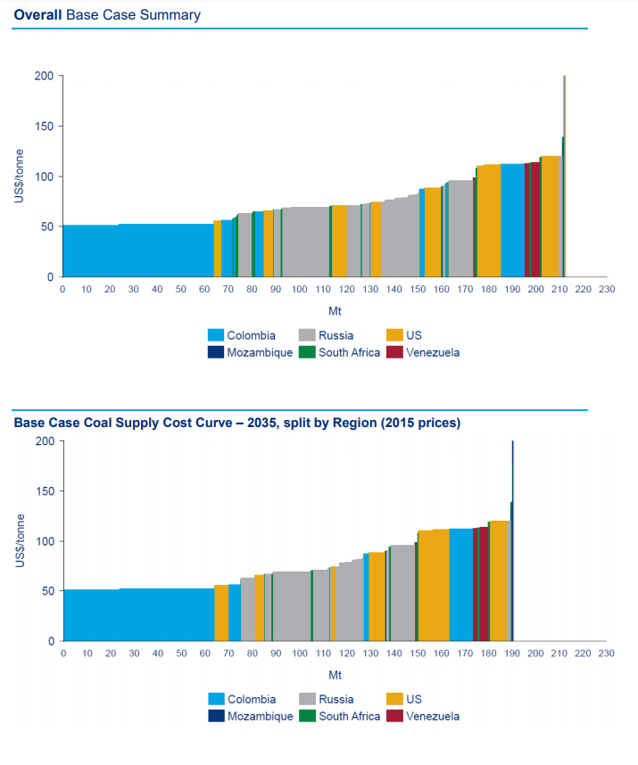
R7. Various seaborne coal cost curves, including time-varying curves
Source: | Various
URL:
Date accessed: | 2018-06-26
Units:
Notes: | Useful links
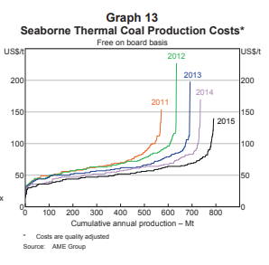
Links | Figures/Pages | Notes
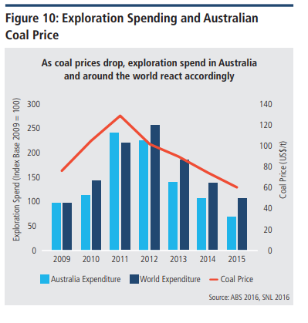
https://www.rba.gov.au/publications/bulletin/2015/jun/pdf/bu-0615-3.pdf | Figure 8 | Shows coal cost curve variation over time
https://www.nera.org.au/Attachment?Action=Download&Attachment_id=150 | Page 13 | Shows coal cost curve variation over time
http://www.smithschool.ox.ac.uk/research/sustainable-finance/news/SSEE_MSCI_Carbon_Data.pdf |  | List of largest 20 thermal coal producers
https://treasury.gov.au/publication/long-run-forecasts-of-australias-terms-of-trade-2/long-run-forecasts-of-australias-terms-of-trade/5-exports-of-non-rural-bulk-commodities-thermal-coal/ | Chart 19 | Shows coal cost curve variation over time (Best) (pg 50)
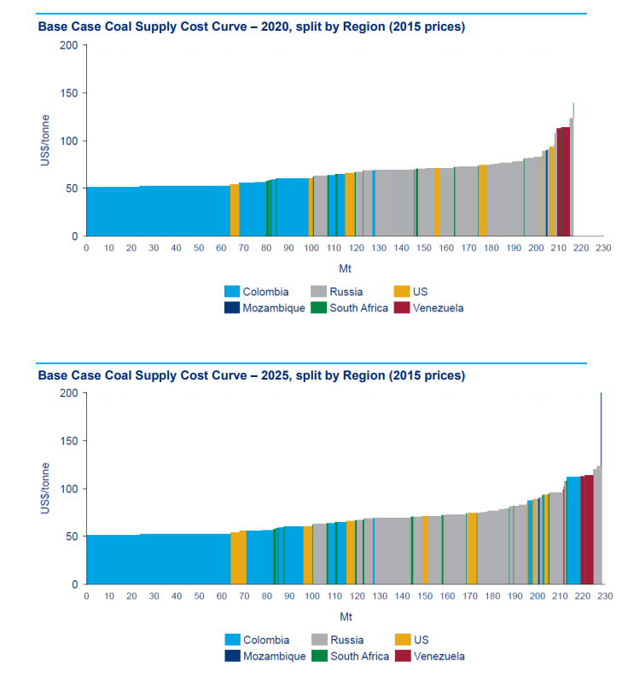
https://www.eia.gov/coal/data/browser/ |  | US Coal data browser
https://assets.publishing.service.gov.uk/government/uploads/system/uploads/attachment_data/file/565992/BEIS_WM_Fossil_Fuel_Supply_Curves_Final_Report.pdf |  | coal cost curves (base coal?)

